FINAL_DASHBOARD
SALES DASHBOARD

TOTAL SALES
126158.52
TOTAL PROFIT
27125.34
TOTAL QUANTITY
1222

Total Sales CategoryWise
 | Total
Office Supplies | 23689.53
Furniture | 43066.98
Technology | 59402.01
Region wise SALES
 | Total
North | 36707.79
South | 44604.6
West | 44846.13

Segment wise SALES
 | Total
Consumer | 61307.49
Corporate | 38183.46
Home Office | 22419.69
Small Business | 4247.88
 | Total
Jan | 4683.75
Feb | 1974.585
Mar | 7600.05
Apr | 4221.09
May | 16084.95
Jun | 17133.12
Jul | 5372.46
Aug | 25217.685
Sep | 16424.76
Oct | 7540.02
Nov | 8716.59
Dec | 11189.46

Category
Total Sales CategoryWise
Category | Sum of Sales
Office Supplies | 23689.53
Furniture | 43066.98
Technology | 59402.01
Grand Total | 126158.52

Row Labels | Sum of Sales
Furniture | 53025.24
Office Supplies | 28441.02
Technology | 70262.82
Accessories | 10318.26
Copiers | 20360.25
Machines | 7543.77
Phones | 32040.54
Grand Total | 151729.08

region
Region | Sum of Sales
North | 36707.79
South | 44604.6
Region wise SALES
West | 44846.13
Grand Total | 126158.52

Segment
Segment wise SALES
Segment | Sum of Sales
Consumer | 61307.49
Corporate | 38183.46
Home Office | 22419.69
Small Business | 4247.88
Grand Total | 126158.52

month wise
Months (Order Date) | Sum of Sales
Jan | 4683.75
Feb | 1974.585
Mar | 7600.05
Apr | 4221.09
May | 16084.95
Jun | 17133.12
Jul | 5372.46
Aug | 25217.685
Sep | 16424.76
Oct | 7540.02
Nov | 8716.59
Dec | 11189.46
Grand Total | 126158.52

copy FINAL_DASHBOARD (2)
SALES DASHBOARD

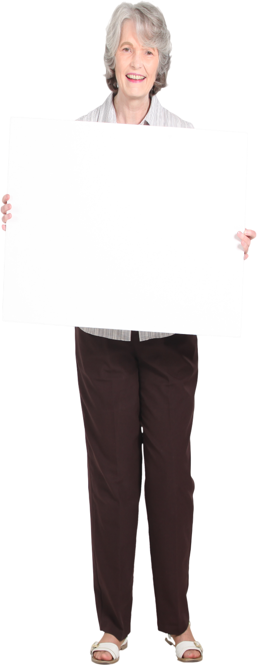

TOTAL SALES
126158.52
TOTAL PROFIT
27125.34
TOTAL QUANTITY
1222

Total Sales CategoryWise
 | Total
Office Supplies | 23689.53
Furniture | 43066.98
Technology | 59402.01
Region wise SALES
 | Total
North | 36707.79
South | 44604.6
West | 44846.13

Segment wise SALES
 | Total
Consumer | 61307.49
Corporate | 38183.46
Home Office | 22419.69
Small Business | 4247.88
 | Total
Jan | 4683.75
Feb | 1974.585
Mar | 7600.05
Apr | 4221.09
May | 16084.95
Jun | 17133.12
Jul | 5372.46
Aug | 25217.685
Sep | 16424.76
Oct | 7540.02
Nov | 8716.59
Dec | 11189.46

